Holiday Calendar
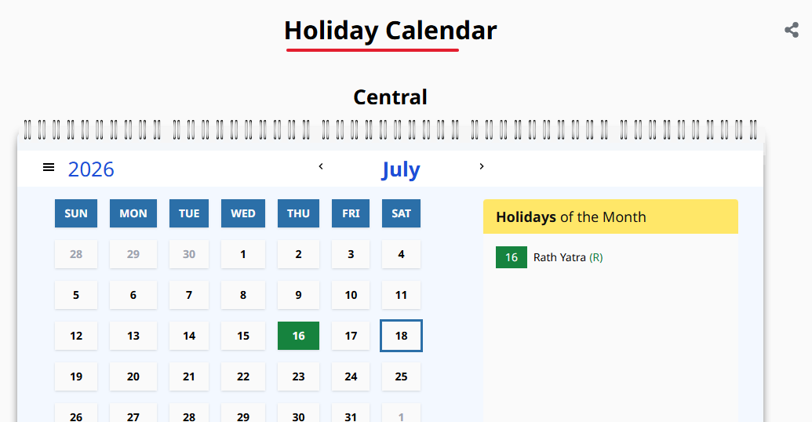
Summary Table
 |  | data_title | Holiday Calendar
 |  | data_description

sno | field_name | field_description | field_unit | field_data_type

Proportion of VLR on the date o
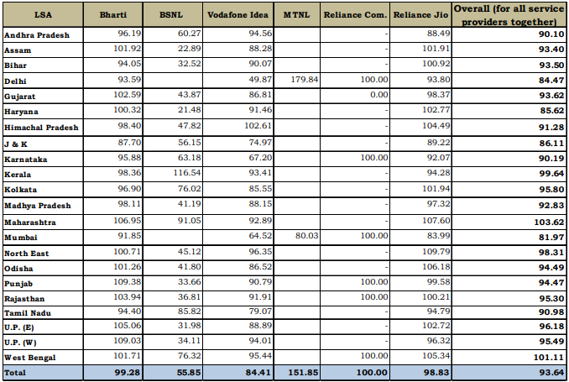
NPCI Data Summary

 |  | data_title | Proportion of VLR on the date of Peak VLR as against HLR in the month of May-26 (%)
 |  | data_description | State/LSA-wise percentage of peak Visitor Location Register (VLR) subscribers relative to Home Location Register (HLR) subscribers for each telecom service provider and overall network activity in May 2026.

 | sno | field_name | field_description | field_unit | field_data_type | sample_values
 | 1 | LSA | LSA recorded in the dataset. | 1 | string | Andhra Pradesh, Assam
 | 2 | Bharti | Bharti recorded in the dataset. | 1 | float | 96.19, 101.92
 | 3 | BSNL | BSNL recorded in the dataset. | 1 | float | 60.27, 22.89
 | 4 | Vodafone Idea | Vodafone Idea recorded in the dataset. | 1 | float | 94.56, 88.28
 | 5 | MTNL | MTNL recorded in the dataset. | 1 | float | 179.84, 80.03
 | 6 | Reliance Com. | Reliance Com recorded in the dataset. | 1 | float | 100.00, 0.00
 | 7 | Reliance Jio | Reliance Jio recorded in the dataset. | 1 | float | 88.49, 101.91
 | 8 | Overall (for all service providers together) | Overall (for all service providers together) recorded in the dataset. | 1 | float | 90.10, 93.40

Wireless (Mobile) Subscriber Ba
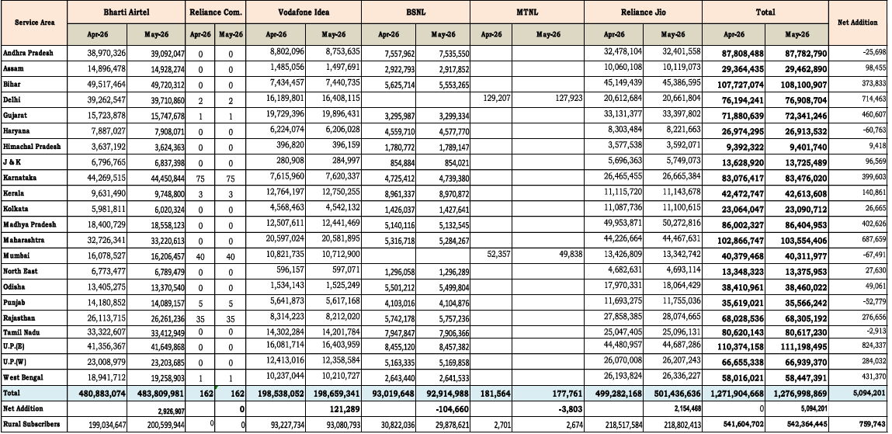
NPCI Data Summary
 | data_title | Wireless (Mobile) Subscriber Base
 | data_description | State/LSA-wise wireless (mobile) subscriber base by telecom service provider for April 2026 and May 2026, including total subscribers and monthly net additions.

sno | field_name | field_description | field_unit | field_data_type | sample_values
1 | Service Area | Service Area recorded in the dataset. | 1 | string | Andhra Pradesh, Assam
2 | Bharti Airtel | Bharti Airtel recorded in the dataset. | 1 | int | 38,970,326, 14,896,478
3 | Reliance Com. | Reliance Com recorded in the dataset. | 1 | int | 0, 0
4 | Vodafone Idea | Vodafone Idea recorded in the dataset. | 1 | int | 8,802,096, 1,485,056
5 | BSNL | BSNL recorded in the dataset. | 1 | int | 7,557,962, 2,922,793
6 | MTNL | MTNL recorded in the dataset. | 1 | int | 129,207, 181,564
7 | Reliance Jio | Reliance Jio recorded in the dataset. | 1 | int | 32,478,104, 10,060,108
8 | Total | Total number recorded for the metric. | 1 | int | 87,808,488, 29,364,435
9 | Net Addition | Net Addition recorded in the dataset. | 1 | int | -25,698, 98,455

Wireline Subscriber Base
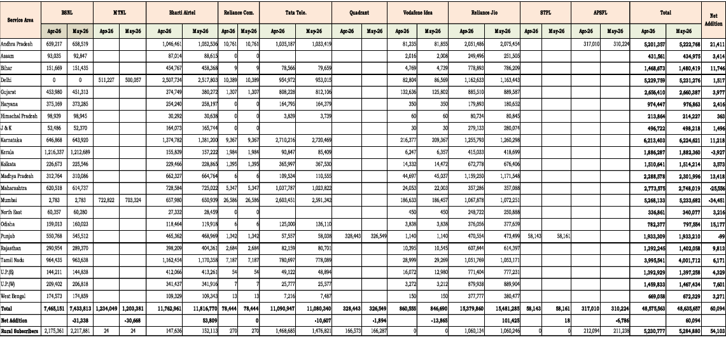
NPCI Data Summary

 |  | data_title | Wireline Subscriber Base
 |  | data_description | State/LSA-wise wireline subscriber base by telecom service provider for April 2026 and May 2026, including total subscribers and monthly net additions.

 | sno | field_name | field_description | field_unit | field_data_type | sample_values
 | 1 | Service Area | Service Area recorded in the dataset. | 1 | string | Andhra Pradesh, Assam
 | 2 | BSNL | BSNL recorded in the dataset. | 1 | int | 659,217, 93,035
 | 3 | MTNL | MTNL recorded in the dataset. | 1 | int | 511,227, 722,822
 | 4 | Bharti Airtel | Bharti Airtel recorded in the dataset. | 1 | int | 1,046,461, 87,014
 | 5 | Reliance Com. | Reliance Com recorded in the dataset. | 1 | int | 10,761, 0
 | 6 | Tata Tele. | Tata Tele recorded in the dataset. | 1 | int | 1,035,187, 249,496
 | 7 | Quadrant | Quadrant recorded in the dataset. | 1 | int | 328,443, 328,549
 | 8 | Vodafone Idea | Vodafone Idea recorded in the dataset. | 1 | int | 81,235, 2,016
 | 9 | Reliance Jio | Reliance Jio recorded in the dataset. | 1 | int | 2,051,486, 249,496
 | 10 | STPL | STPL recorded in the dataset. | 1 | int | 58,143, 0
 | 11 | APSFL | APSFL recorded in the dataset. | 1 | int | 317,010, 0
 | 12 | Total | Total number recorded for the metric. | 1 | int | 5,201,357, 431,561
 | 13 | Net Addition | Net Addition recorded in the dataset. | 1 | int | 21,411, 3,414

upi_apps
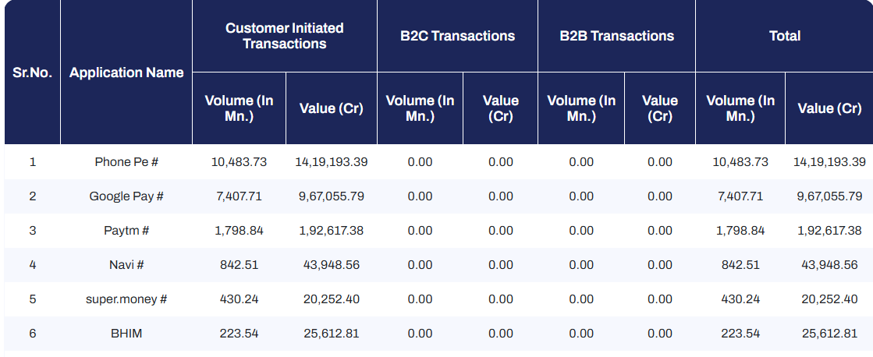
back to summary

 |  | data_title | upi_apps
 |  | data_description | UPI application-wise transaction breakdown for May 2026 including customer-initiated, B2C, B2B volumes and values.

 | sno | field_name | field_description | field_unit | field_data_type | sample_values
 | 1 | Sr.No. | Serial Numbers | count | int | 2026-01-02
 | 1 | Application Name | Name of the application. | unitless | string | Phone Pe #, Google Pay #
 | 2 | Customer Initiated Transaction Volume | Customer Initiated Transaction Volume recorded in the dataset. | million | float | 10,483.73, 7,407.71
 | 3 | Customer Initiated Transaction Value | Customer Initiated Transaction Value recorded in the dataset. | crore | float | 14,19,193.39, 9,67,055.79
 | 4 | B2C Transactions Volume | B2C Transactions Volume recorded in the dataset. | million | float | 0.00, 0.00
 | 5 | B2C Transactions Value | B2C Transactions Value recorded in the dataset. | crore | float | 0.00, 0.00
 | 6 | B2B Transactions Volume | B2B Transactions Volume recorded in the dataset. | million | float | 0.00, 0.00
 | 7 | B2B Transactions Value | B2B Transactions Value recorded in the dataset. | crore | float | 0.00, 0.00
 | 8 | Total Volume | Total number recorded for the metric. | million | float | 10,483.73, 7,407.71
 | 9 | Total Value | Total number recorded for the metric. | crore | float | 14,19,193.39, 9,67,055.79

 | Data Link: https://www.npci.org.in/product/ecosystem-statistics/upi

